DIESEL
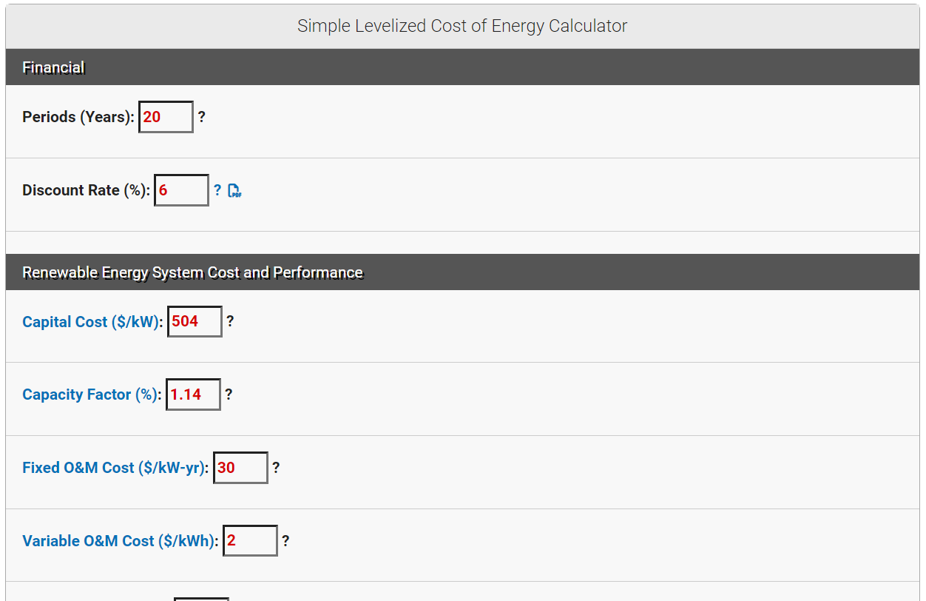
Diesel
 | 281.9 | cents/kWh
Source

LCOE | 2.819 | $/kWh

Based on x4 2500kW generators from CAT.

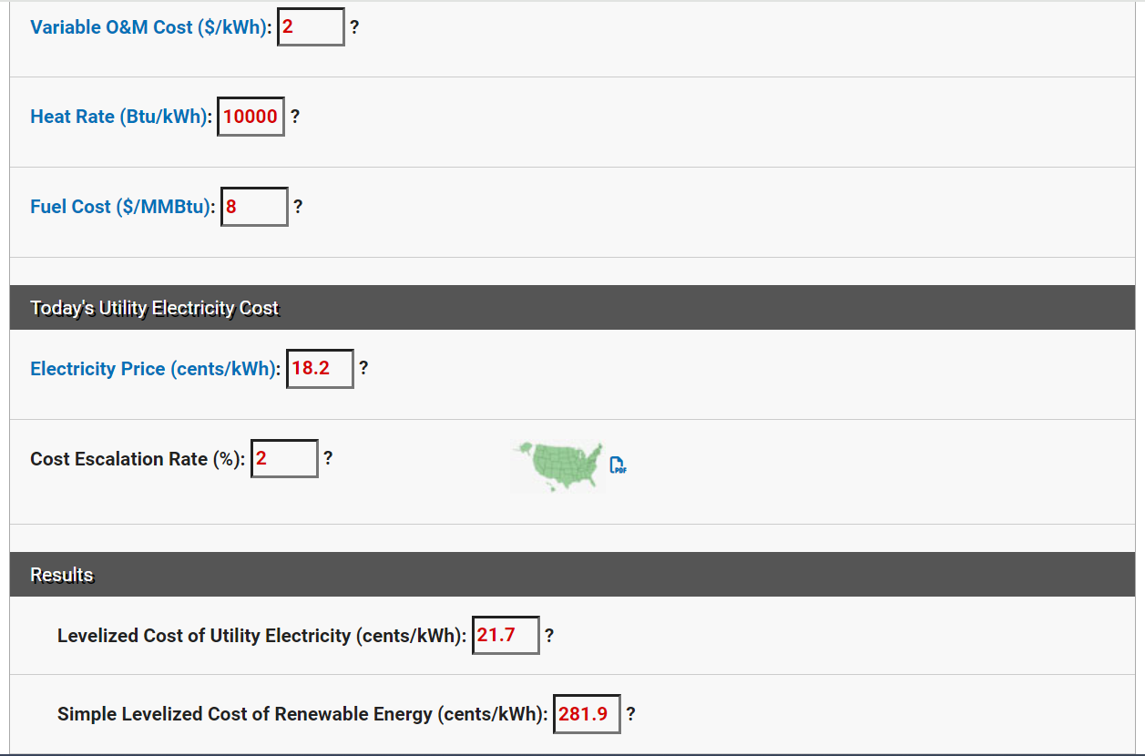

 |  |  | or .32%

VEHICLES
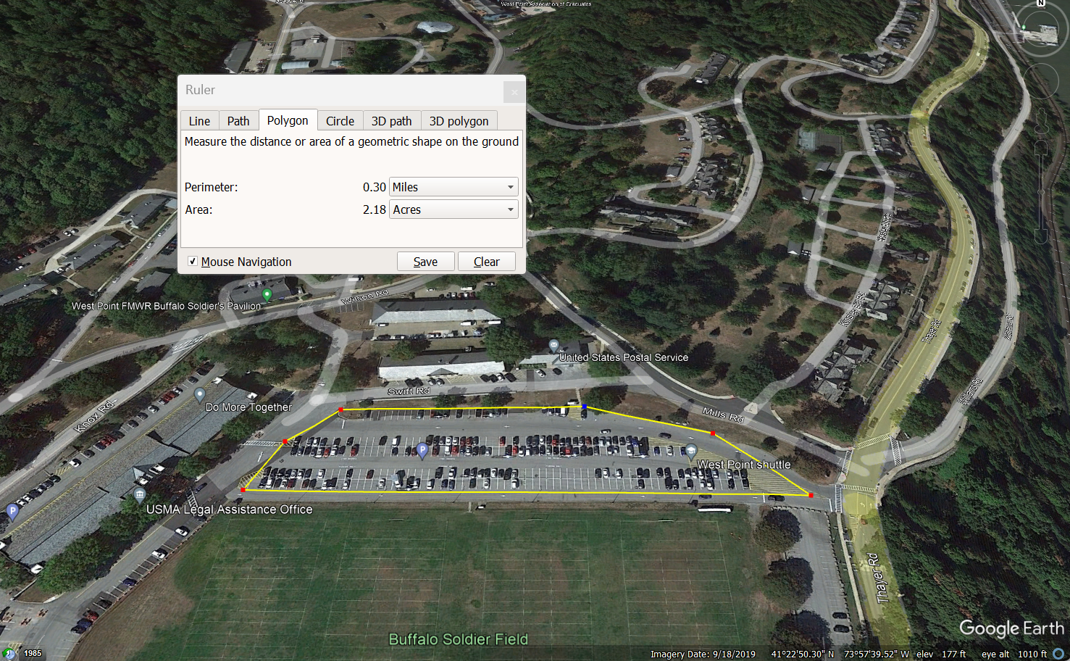
Input
# Small vehicles
on other document

